January Budget for Editing
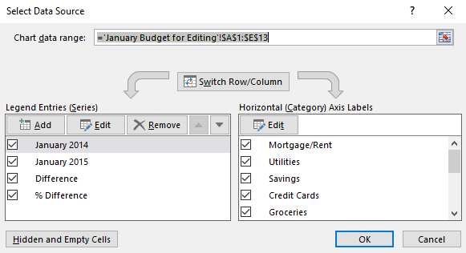
To compare January 2014 to January 2015 expenditures, select the portion of the data highlighted in green, from the Insert tab, select column chart/ 2-D Column.
note: you can actually just click anywhere in the data but the chart wizard will, by default, select all columns and the totals row, which we would then have to deselect from our chart.
After you create a chart, when it's active, you have access to two special Chart Tools tabs, Design and Format. From here you can edit the chart's attributes.
Category | January 2014 | January 2015 | Difference | % Difference
Mortgage/Rent | 1100 | 1250 | 150 | 0.12
Utilities | 300 | 280 | -20 | -0.071428571429
Savings | 250 | 200 | -50 | -0.25
Credit Cards | 250 | 400 | 150 | 0.375
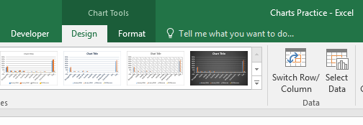
Groceries | 250 | 250 | 0 | 0
Drugstore | 50 | 60 | 10 | 0.16666666667
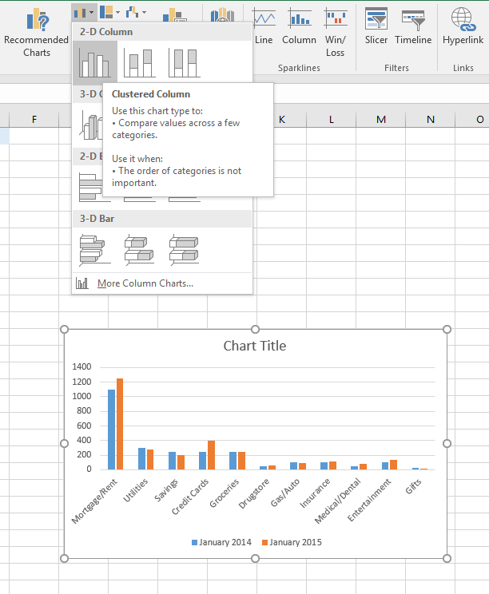
Gas/Auto | 100 | 90 | -10 | -0.11111111111
Insurance | 100 | 110 | 10 | 0.090909090909
Medical/Dental | 50 | 75 | 25 | 0.33333333333
Entertainment | 100 | 130 | 30 | 0.23076923077
Gifts | 25 | 10 | -15 | -1.5
Total | 2575 | 2855 | 280 | 0.098073555166

There's a completed example on the next sheet, if you wish to edit it or compare it with your own.
If you accidentally selected all the data for your chart, you can modify by Using Chart Tools/Design/Select Data.
Uncheck Difference and % Difference from the left window. Uncheck Total from the right window.

January Budget Example
Budget Comparison
Category | January 2014 | January 2015 | Difference | % Difference
Mortgage/Rent | $1,100.00 | $1,250.00 | $150.00 | 12%
Utilities | $300.00 | $280.00 | $(20.00) | -7%
Savings | $250.00 | $200.00 | $(50.00) | -25%
Credit Cards | $250.00 | $400.00 | $150.00 | 38%
Groceries | $250.00 | $250.00 | $- | 0%
Drugstore | $50.00 | $60.00 | $10.00 | 17%
Gas/Auto | $100.00 | $90.00 | $(10.00) | -11%
Insurance | $100.00 | $110.00 | $10.00 | 9%
Medical/Dental | $50.00 | $75.00 | $25.00 | 33%
Entertainment | $100.00 | $130.00 | $30.00 | 23%
Gifts | $25.00 | $10.00 | $(15.00) | -150%
Total | $2,575.00 | $2,855.00 | $280.00 | 10%

Sales Tracking
Using the data for ACME Company's three regions, we've created a Line Chart. Work with chart elements from the Add Chart Element menu on the Chart Tools/Design tab. Right-click any chart element and select Format to display the Format Pane (in this case Format Axis is active) on the right side of the worksheet.
Sales Region | Jan | Feb | Mar | Apr | May | Jun | Jul | Aug | Sep | Oct | Nov | Dec
Central | $10,250 | $8,650 | $13,477 | $11,456 | $9,520 | $12,563 | $17,250 | $18,520 | $13,420 | $11,230 | $9,850 | $7,500
Northeast | $8,520 | $9,500 | $12,556 | $13,444 | $10,520 | $14,000 | $15,850 | $21,520 | $17,523 | $15,400 | $11,230 | $8,560
Southeast | $7,450 | $6,850 | $9,520 | $10,630 | $10,250 | $11,789 | $13,560 | $14,725 | $11,530 | $9,850 | $7,850 | $6,995
The logo is a picture file that is inserted and saved as part of the worksheet and anchored to the chart bounding box.
Colors and effects, the overall look of your charts can be modified using the Chart Tools/Format tab.
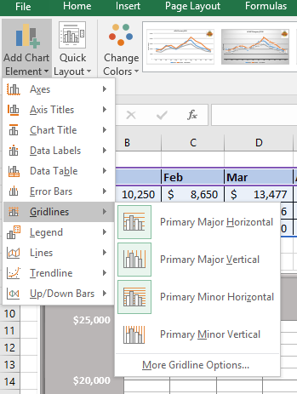
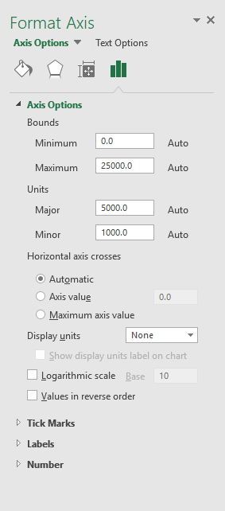

Plot area with major horizontal and vertical gridlines, and minor horizontal gridlines displayed.
Chart title

ACME Company 2015

Axis title

Legend

The chart bounding box is just a shape. It has been filled with the color gray and a bevel effect is applied to the border.

Vertical axis
Horizontal axis

Temperature Data
This is a Line Chart showing the high temperatures (gray line) in comparison to the average high temps (black line) for Glendale Heights, IL in June 2010.
What makes the chart distinctive is the use of the chart element Up/Down Bars, which show the deviations of the actual temps from the average.
By default, Up bars appear white, while Down bars appear black. The color has been changed to show the above average temps (Up bars) as red and the below average temps (Down bars) as blue.
June | 1 | 2 | 3 | 4 | 5 | 6 | 7 | 8 | 9 | 10 | 11 | 12 | 13 | 14 | 15 | 16 | 17 | 18 | 19 | 20 | 21 | 22 | 23 | 24 | 25 | 26 | 27 | 28 | 29 | 30
Avg High | 75 | 76 | 76 | 76 | 77 | 77 | 77 | 77 | 78 | 78 | 78 | 79 | 79 | 79 | 79 | 80 | 80 | 80 | 80 | 80 | 81 | 81 | 81 | 81 | 81 | 82 | 82 | 82 | 82 | 82
Avg Low | 53 | 53 | 54 | 54 | 54 | 55 | 55 | 55 | 55 | 56 | 56 | 56 | 57 | 57 | 57 | 57 | 58 | 58 | 58 | 59 | 59 | 59 | 59 | 60 | 60 | 60 | 60 | 60 | 61 | 61
High | 85 | 77 | 71 | 83 | 79 | 76 | 70 | 67 | 83 | 77 | 89 | 77 | 71 | 70 | 79 | 82 | 84 | 80 | 85 | 81 | 85 | 85 | 87 | 84 | 84 | 87 | 85 | 82 | 75 | 75
Low | 63 | 57 | 56 | 57 | 60 | 55 | 54 | 58 | 65 | 58 | 64 | 62 | 62 | 60 | 60 | 63 | 64 | 67 | 66 | 64 | 67 | 69 | 69 | 65 | 62 | 69 | 72 | 63 | 59 | 56

High temperature data for Glendale Heights, IL June 2010

Static Chart
Suppose the boss comes to you and says, "I need you to add a simple chart of the quarterly profit and loss for the midwest region."
That's not hard to do. Select A25:E25 and Insert a simple column chart. Format it as you choose (here we're showing just the bars for each region, along with the data labels), slap a title on it, and you're done.
But suppose he comes back the next day and says, "Do that for the Northeast region too."
You could edit the data, change the title but wouldn't it be better to give him a dynamic chart so that he can select which region he needs to see? On the next sheet, titled Dynamic Chart, we'll see how to do that.

Midwest P/L

 | Profit/Loss
Region | Qtr 1 | Qtr 2 | Qtr 3 | Qtr 4
Northeast | 18,000 | 16,000 | 31,000 | 17,000
Southeast | 80,000 | 95,000 | 75,000 | 100,000
Midwest | 20,000 | 15,000 | (5,000) | 10,000
Southwest | (15,000) | - | 5,000 | 12,000
Northwest | 17,000 | 8,000 | 11,000 | 7,000

Dynamic Chart
One of the easiest ways to make a chart dynamic is to use a Data Preparation Table. Because the data for a chart cannot come directly from a function, we use the INDEX and MATCH functions together to extract just the quarterly data for the region selected in the blue dropdown list (cell I20).
INDEX/MATCH* is used to get the four quarterly values in B22:E22. This range of data is used for our chart.
Also the chart title is not static but rather is a reference to a dynamic title we build in C24 (="Profit/Loss for "&I20&" Region"). Finally, we format the column color using Format Data Series and choosing "Invert if Negative" under color options and assigning the red color to negative values.
In this way, whenever the boss wants to see data for a different region, he selects from the dropdown and the chart changes.
Try it out.
*note: If you're not familiar with using INDEX and MATCH together as INDEX/MATCH, don't worry, we will cover it in the lookup functions class. There are also good explanations on YouTube (example: search "Leila Gharani index match"). VLOOKUP could also be used to retrieve the quarterly values in this case.
 | Profit/Loss
Region | Qtr 1 | Qtr 2 | Qtr 3 | Qtr 4
Northeast | 18,000 | 16,000 | 31,000 | 17,000
Southeast | 80,000 | 95,000 | 75,000 | 100,000
Midwest | 20,000 | 15,000 | (5,000) | 10,000
Southwest | (15,000) | - | 5,000 | 12,000
Northwest | 17,000 | 8,000 | 11,000 | 7,000

Profit/Loss for Midwest Region
 |  |  |  |  | P/L by Region: | Midwest
Data Preparation Table
Midwest | 20,000 | 15,000 | (5,000) | 10,000

Custom title: |  | Profit/Loss for Midwest Region

Qtr 1
Qtr 2
Qtr 3
Qtr 4

Chart from Excel Table
If your chart uses a data source that will be updated, store that data in an Excel Table object if possible.
In this example, we show 7 months of sales revenue with a simple line chart. Because the chart's data source is a Table, it is easy to update our chart for each new month. In fact no changes to the chart itself are necessary.
Try it: add "Aug" in B10, and a revenue value in C10. This new data automatically becomes part of the table and is, in turn, shown on the chart.
Month | Revenue
Jan | 220
Feb | 210
Mar | 135
Apr | 185
May | 200
Jun | 260
Jul | 225

Monthly Sales Revenue

Pie Chart
The Pie Chart is a time honored means of displaying data elements as parts of a whole, but it has fallen out of favor with data visualization experts. The human eye does not easily translate the pie slices into ranked order. Also too many slices can make it hard to read (see the next sheet).
This chart includes 6 elements in the data series, which is really the absolute maximum number recommended for a pie chart.
If showing ranked data is your goal, consider a sorted bar chart (see next sheet). With a little effort and knowhow, this can be dynamic (search YouTube for "excel sorted bar chart").
ACTIVITY | HOURS | PERCENT OF DAY
Sleep | 6 | 25%
School | 6 | 25%
Job | 4 | 17%
Entertainment | 4 | 17%
Meals | 2 | 8%
Homework | 2 | 8%

Daily Activities

Sorted Bar Chart
We want to keep track of our Girl Scout cookie sales. The pie chart is headache inducing. A sorted chart makes more sense. But we don't want to keep resorting the data in A20:B29 each time we update a scout's sales.
In column C we add a unique rank, using the RANK function with a COUNTIF procedure to eliminate duplicates in case of identical sales numbers.
Our data preparation table uses the rank column to reorder the scouts and sales, doing lookups using INDEX/MATCH. A total for sales is added in G29, and percentage rank column is added as well.
We select scout names and percentages to create our sorted (or ranked) bar chart. Data labels are added, which point to the sales column, and the total is included in a text boxt that refers to G29.
Update a scout's sales in column B and the chart will update and reorder.
OUCH! No thank you.
Girl Scout Cookie Sales - Troop 246
1410

 |  |  |  | Data Preparation Table
Scout | Sales | Rank |  | Scout | Sales | Pct
Brittany | 120 | 8 | 1 | Shondra | 200 | 14%
Dorothy | 85 | 10 | 2 | Veronica | 175 | 12%
Emily | 115 | 9 | 3 | Keisha | 160 | 11%
Holly | 135 | 5 | 4 | Priti | 155 | 11%
Keisha | 160 | 3 | 5 | Holly | 135 | 10%
Lizzy | 130 | 7 | 6 | Shay | 135 | 10%
Priti | 155 | 4 | 7 | Lizzy | 130 | 9%
Shay | 135 | 6 | 8 | Brittany | 120 | 9%
Shondra | 200 | 1 | 9 | Emily | 115 | 8%
Veronica | 175 | 2 | 10 | Dorothy | 85 | 6%
 |  |  |  |  | 1410

Stock chart
Data for Sears Holdings Corporation (SHLD)
SHLD open/hi/lo/close
There are four types of Stock Chart:
High-Low-Close
Open-High-Low-Close (pictured here)
Volume-High-Low-Close
Volume-Open-High-Low-Close
Here the daily high and low prices are represented by the thin line, while the open and close prices are at either end of the Up/Down bars. Stocks that gained value (closed higher) are shown as a white bar, while stocks that lost value are represented by a black bar.
Date | Open | High | Low | Close
2010-08-25 | $61.17 | $65.25 | $61.13 | $64.85
2010-08-24 | $60.68 | $61.85 | $60.12 | $61.79
2010-08-23 | $62.04 | $62.26 | $60.72 | $61.61
2010-08-20 | $60.80 | $61.85 | $60.53 | $61.59
2010-08-19 | $66.80 | $66.80 | $61.02 | $61.03
2010-08-18 | $66.17 | $68.20 | $65.43 | $67.25
2010-08-17 | $67.00 | $68.07 | $65.92 | $66.61
2010-08-16 | $66.20 | $67.12 | $65.85 | $66.23
2010-08-13 | $67.43 | $67.75 | $66.53 | $66.55
2010-08-12 | $68.00 | $68.06 | $67.20 | $67.30
2010-08-11 | $70.18 | $70.64 | $69.04 | $69.24
2010-08-10 | $72.93 | $72.98 | $71.16 | $71.94
2010-08-09 | $73.24 | $74.57 | $73.24 | $73.94
2010-08-06 | $71.03 | $73.34 | $70.19 | $73.23
2010-08-05 | $71.36 | $72.21 | $70.05 | $72.17
2010-08-04 | $72.05 | $72.96 | $71.63 | $72.10
2010-08-03 | $73.61 | $73.94 | $71.65 | $71.88
2010-08-02 | $72.09 | $75.32 | $71.18 | $73.86
2010-07-30 | $67.37 | $71.64 | $66.82 | $71.00
2010-07-29 | $69.38 | $70.13 | $66.75 | $68.78
2010-07-28 | $70.77 | $71.98 | $68.86 | $68.98
2010-07-27 | $71.53 | $71.70 | $70.33 | $70.78
2010-07-26 | $67.73 | $70.27 | $66.83 | $70.24

SHLD hi/lo/close
The High-Low-Close chart shows the stock's daily activity (low and high values) with a single data point for the closing price. In this case, the marker for the data point is a dollar sign, which is a picture file chosen in Marker Options, found on the Format Data Series pane. It's silly but it does illustrate the fine control you have over the chart.

Date | High | Low | Close
2010-08-25 | $65.25 | $61.13 | $64.85
2010-08-24 | $61.85 | $60.12 | $61.79
2010-08-23 | $62.26 | $60.72 | $61.61
2010-08-20 | $61.85 | $60.53 | $61.59
2010-08-19 | $66.80 | $61.02 | $61.03
2010-08-18 | $68.20 | $65.43 | $67.25
2010-08-17 | $68.07 | $65.92 | $66.61
2010-08-16 | $67.12 | $65.85 | $66.23
2010-08-13 | $67.75 | $66.53 | $66.55
2010-08-12 | $68.06 | $67.20 | $67.30
2010-08-11 | $70.64 | $69.04 | $69.24
2010-08-10 | $72.98 | $71.16 | $71.94
2010-08-09 | $74.57 | $73.24 | $73.94
2010-08-06 | $73.34 | $70.19 | $73.23
2010-08-05 | $72.21 | $70.05 | $72.17
2010-08-04 | $72.96 | $71.63 | $72.10
2010-08-03 | $73.94 | $71.65 | $71.88
2010-08-02 | $75.32 | $71.18 | $73.86
2010-07-30 | $71.64 | $66.82 | $71.00
2010-07-29 | $70.13 | $66.75 | $68.78
2010-07-28 | $71.98 | $68.86 | $68.98
2010-07-27 | $71.70 | $70.33 | $70.78
2010-07-26 | $70.27 | $66.83 | $70.24

Stacked Column
The Stacked Column Chart shows data elements that make up a whole.
In this case, total sales for each of the six months are broken down into component sales for each country.
*note: The total does not display automatically. In this case, "Totals" is a data series like the countries. Unlike the countries, it is not a stacked column. If you right-click on a data series you can convert it to a different chart type (Change Series Chart Type). The Totals series has been made a line chart, in which the line has been made invisible and only the data labels are displayed.
If your data does not include totals, you will have to create them if you wish to display them in your chart.
Country | January | February | March | April | May | June | Avg
Austria | € 12,300 | € 11,400 | € 15,300 | € 12,500 | € 17,000 | € 18,600 | € 14,517
Belgium | € 11,100 | € 12,000 | € 8,900 | € 11,600 | € 13,500 | € 14,200 | € 11,883
Denmark | € 17,000 | € 16,500 | € 12,300 | € 18,900 | € 21,000 | € 24,000 | € 18,283
Luxembourg | € 6,500 | € 6,800 | € 7,100 | € 19,500 | € 8,700 | € 8,800 | € 9,567
Portugal | € 8,600 | € 8,700 | € 9,100 | € 10,300 | € 12,500 | € 13,400 | € 10,433
Totals | € 55,500 | € 55,400 | € 52,700 | € 72,800 | € 72,700 | € 79,000

2017 Sales by Country (x1000 Euro)

100% Stacked Bar
 |  | Sales by Product
The 100% Stacked Bar shows data elements as part of a whole. Unlike the stacked column or bar, the 100% column or bar does not show totals. In this case we don't want to know the total sales for each year, but simply what percentage of the total each product was during each of the four years.
*note: The percentage values are not in our original chart. They have to be created to be used as the source for our data labels. Our only options for data labels in the actual data are: the dollar value of each; the year; or the product name.
Product | 2014 | 2015 | 2016 | 2017
Widget | $1,250,000.00 | $1,100,000.00 | $980,000.00 | $920,000.00
Geegaw | $980,000.00 | $1,050,000.00 | $1,100,000.00 | $1,246,000.00
Whingding | $1,465,000.00 | $1,300,000.00 | $1,500,000.00 | $1,700,000.00
Thingamajig | $725,000.00 | $790,000.00 | $1,100,000.00 | $985,000.00

 | Percentages created for data labels
Widget | 28% | 26% | 21% | 19%
Geegaw | 22% | 25% | 24% | 26%
Whingding | 33% | 31% | 32% | 35%
Thingamajig | 16% | 19% | 24% | 20%

Sales by Product

Scatter Chart
A Scatter Chart plots points that represent the relationship between two different data sets.
In this case, we're attempting to determine the relationship between our students' final grades and their household income. The line is called a trendline and shows that, generally, better grades are aligned with higher income. But the data is too scattered to be considered a strong correlation.
Student ID | Household Income | Final Grade
50944 | $56,896.00 | 73
50356 | $45,751.00 | 76
48106 | $62,312.00 | 81
50571 | $76,210.00 | 88
50671 | $78,402.00 | 92
50641 | $62,262.00 | 90
49207 | $50,238.00 | 84
Student Performance vs Household Income
50253 | $71,097.00 | 87
48364 | $55,955.00 | 84
47835 | $46,122.00 | 71
47307 | $74,252.00 | 85
48491 | $76,097.00 | 81
46138 | $65,988.00 | 82
50707 | $69,959.00 | 87
48850 | $54,564.00 | 77
46044 | $74,001.00 | 92
49951 | $61,990.00 | 73
45954 | $54,540.00 | 79
49912 | $42,655.00 | 75
47873 | $60,066.00 | 90
48328 | $33,663.00 | 65
50734 | $42,530.00 | 64
50942 | $83,217.00 | 91
50605 | $74,229.00 | 85
47554 | $83,286.00 | 88
46146 | $80,874.00 | 82
48728 | $71,757.00 | 93
51216 | $50,780.00 | 82
47120 | $55,126.00 | 72
49996 | $81,027.00 | 90

Area Chart
Related to the line chart, the Area Chart is somewhat more descriptive. It shows the quantitative changes in value over time. In this case, we can see that our wolf population suffered a drastic decline in about 2001 and is slowly recovering.
Elk and moose populations have remained more stable, with moose being our smallest population, while the wolf population has always been greatest.
Wildlife Population
 | Bear | Elk | Wolf
1999 | 243 | 125 | 370
2000 | 211 | 142 | 402
2001 | 188 | 99 | 265
2002 | 156 | 102 | 247
2003 | 138 | 83 | 211
2004 | 144 | 96 | 243
2005 | 178 | 116 | 256
2006 | 179 | 112 | 260
2007 | 193 | 108 | 289
2008 | 211 | 115 | 313

Wildlife Population 1999-2008

Bubble Chart
The Bubble Chart is useful in that it can plot the intersecton of three elements of data. In this case we are evaluating market share of products in five categories of goods that we manufacture.
The horizontal axis charts the number of products in each category.
The vertical axis charts the value of sales for each category.
The third data element is percentage of market share, which is indicated by the size of the bubble.
We can see that the 20 products in Category 3 generated the highest sales revenue, while claiming a significant slice of market share. However, in Category 5, while our sales are not as high, we have the greatest percentage of market share.
Category | Number of Products | Sales | Percentage of Market Share
Cat 1 | 5 | $5,500 | 3%
Cat 2 | 14 | $12,200 | 12%
Cat 3 | 20 | $60,000 | 33%
Cat 4 | 18 | $24,400 | 10%
Cat 5 | 22 | $32,000 | 42%

Industry Market Share Study

Hierarchy Charts
Hierarchy charts are used to plot data points within categories. Here we see specific expenditures by three categories.
The Treemap shows parts of a whole in nested rectangles. Although this chart can be visually striking, it can be difficult for the eye to perceive fine details. For example, we can see that personnel is by far our largest expense and that payroll is naturally the biggest chunk of that. But notice that our spending on health insurance and parking lot repair are pretty similar but the different shapes of the rectangles make it hard to visually compare.
The Sunburst is another way to represent this data. In this case the categories are plotted in the inner ring, with individual expenditures radiating out from them. Like its cousin, the pie chart, the slices can be small and hard to compare.
It is suggested that you use these chart types with caution.
Category | Expenditure | Cost
Building and Grounds | Landscaping | 240,225
Building and Grounds | Parking Lot Repair | 179,000
Building and Grounds | Window Cleaning | 26,500
Building and Grounds | New Carpeting | 43,560
Personnel | Payroll | 746,800
Personnel | Health Insurance | 146,000
Administrative | Liabililty Insurance | 72,000
Administrative | Private Security | 48,000
Administrative | Facilities Rental | 26,500

Radar Chart
A Radar Chart compares the values of three or more variables relative to a central point. It’s useful when you cannot directly compare the variables and is especially good for visualizing performance analysis or survey data.
In the first six columns, we have raw data consisting of student evaluations of three of our software trainers. The smaller table in gray, shows the averages for eatch trainer of the five attibutes evaluated. This is the data for our chart.
Because no trainer has an average value below 3 in any area, we've adjusted our axis to show from 2.5 to 5. In a radar chart, "wider is better." In other words, higher values are plotted toward the outside of the chart area.
We see that Martin has all around best scores, while students liked Ahmad's presentation skills, and were impressed with Isabel's subject mastery.
Trainer | Preparation | Mastery | Delivery | Responsiveness | Punctuality | Trainer | Preparation | Mastery | Delivery | Responsiveness | Punctuality
Martin | 5 | 2 | 2 | 2 | 5 | Ahmad | 3.8 | 3.4 | 4.2 | 3.5 | 4.2
Martin | 3 | 5 | 4 | 5 | 3 | Isabel | 3.9 | 4.4 | 3.2 | 3.7 | 3.9
Martin | 4 | 4 | 4 | 5 | 4 | Martin | 4.1 | 3.9 | 3.6 | 4.2 | 4.2
Martin | 5 | 5 | 4 | 5 | 3
Martin | 5 | 3 | 2 | 2 | 5
Martin | 3 | 4 | 3 | 4 | 5
Martin | 4 | 4 | 4 | 5 | 5
Martin | 5 | 4 | 5 | 4 | 4
Martin | 4 | 3 | 4 | 3 | 4
Martin | 3 | 4 | 2 | 5 | 5
Martin | 4 | 4 | 4 | 5 | 5
Martin | 5 | 5 | 5 | 4 | 3
Martin | 4 | 5 | 5 | 5 | 3
Martin | 4 | 3 | 3 | 5 | 5
Isabel | 5 | 5 | 2 | 2 | 3
Isabel | 3 | 4 | 2 | 3 | 5
Isabel | 4 | 5 | 5 | 4 | 5
Isabel | 5 | 3 | 5 | 5 | 3
Isabel | 5 | 5 | 4 | 5 | 5
Isabel | 5 | 4 | 2 | 2 | 3
Isabel | 3 | 5 | 2 | 3 | 5
Isabel | 4 | 5 | 2 | 3 | 3
Isabel | 3 | 4 | 4 | 5 | 3
Isabel | 3 | 4 | 2 | 4 | 3
Isabel | 3 | 5 | 4 | 5 | 5
Isabel | 4 | 4 | 4 | 3 | 4
Ahmad | 2 | 5 | 5 | 5 | 3
Ahmad | 5 | 5 | 3 | 2 | 4
Ahmad | 5 | 2 | 3 | 4 | 4
Ahmad | 3 | 2 | 4 | 4 | 5
Ahmad | 5 | 2 | 5 | 3 | 4
Ahmad | 3 | 2 | 5 | 5 | 5
Ahmad | 5 | 3 | 4 | 3 | 5
Ahmad | 5 | 4 | 3 | 2 | 5
Ahmad | 3 | 2 | 4 | 5 | 5
Ahmad | 5 | 2 | 5 | 5 | 5
Ahmad | 4 | 4 | 3 | 2 | 5
Ahmad | 2 | 3 | 5 | 2 | 4
Ahmad | 5 | 4 | 4 | 2 | 3
Ahmad | 3 | 4 | 5 | 3 | 3
Ahmad | 4 | 2 | 4 | 5 | 4
Ahmad | 2 | 5 | 3 | 5 | 3
Ahmad | 4 | 5 | 5 | 5 | 5
Ahmad | 3 | 4 | 5 | 2 | 5
Ahmad | 5 | 4 | 4 | 2 | 3

